Sheet1
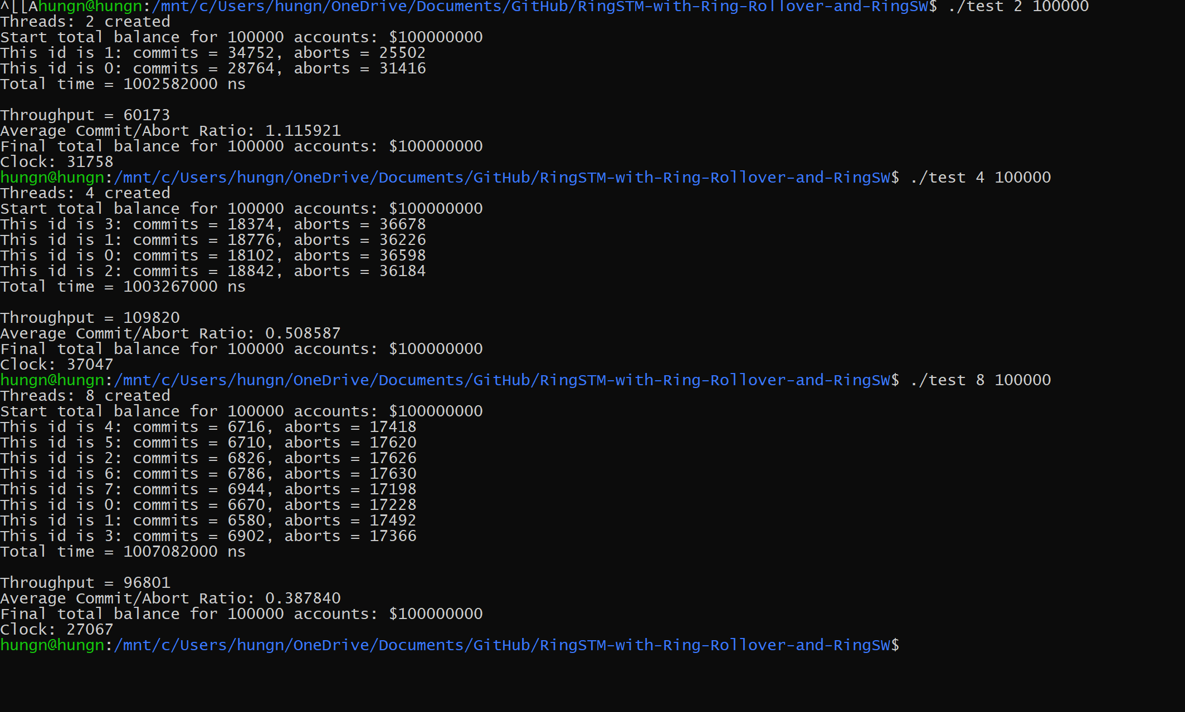
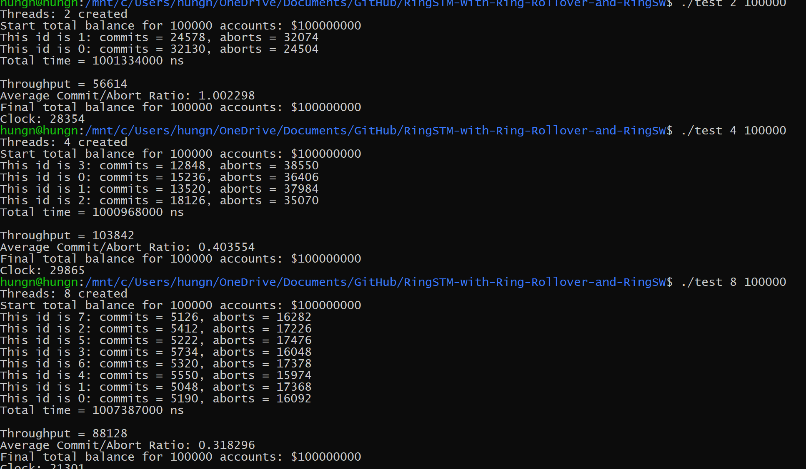
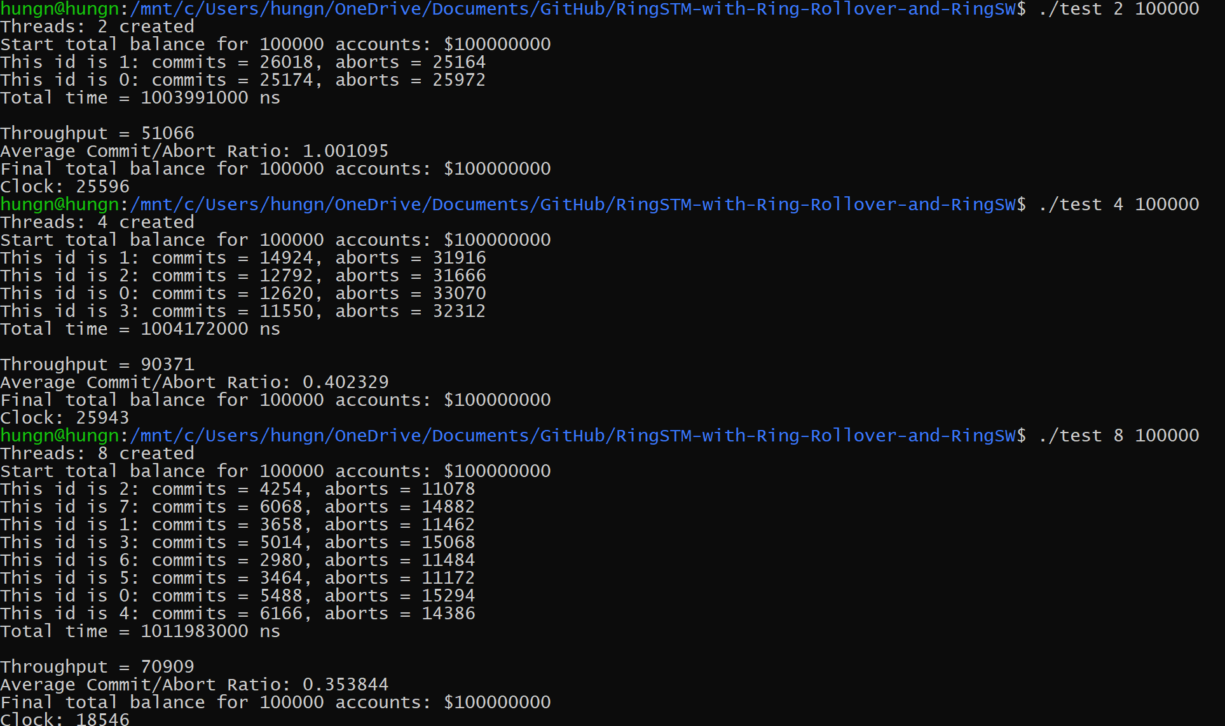
Bloom Filter Size: 1024

Commit/Abort Ratios (# Accounts = 100K)
Threads | Commit/Aborts
2 | 1.115921
4 | 0.508587
8 | 0.38784

Threads | Throughputs
2 | 60173
4 | 109280
8 | 96801

Bloom Filter Size: 256

Threads | Commit/Aborts
2 | 1.002298
4 | 0.403554
8 | 0.318286

Total Throughputs (# Accounts = 100K)
Threads | Throughputs
2 | 56614
4 | 103842
8 | 88128

Bloom Filter Size: 64

Threads | Commit/Aborts
2 | 1.001095
4 | 0.402329
8 | 0.353844

Threads | Throughputs
2 | 51066
4 | 90371
8 | 70909

